시트1
Project Name: | NextLevel Research Conference Management System
Test CaseID | T5.5
Test Case Description | Reviewer edit submitted comment
Created by: | Yechan Kim
Date of testing: | 10th November 2022
Actor: | Reviewer
Pre-condition: | Reviewer has made a comment on the review made by others.
 | Reviewer view comments of the review

Test Step | Step Details | Test Data | Expected Results | Actual Results | Pass/Fail/Not executed/Suspended | Screenshots, if possible | Remarks
T5.5 - 1 | Reviewer clicks "Edit" button on comment that they want to change. | comment(rating, description) | System will display pop-up for comment edit. The user should be able to see the pop-up for comment edit. | System displays pop-up for comment edit. | Pass | 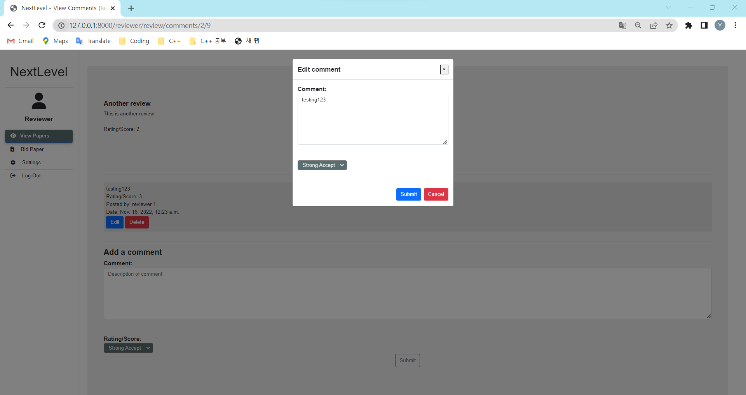
T5.5 - 2 | Reviewer types in changed comment and new rating. |  | The changed details will be reflected on the corresponding box. The user should be able to change the previous comment and select ratings. | The changed details is reflected on the corresponding box. | Pass | 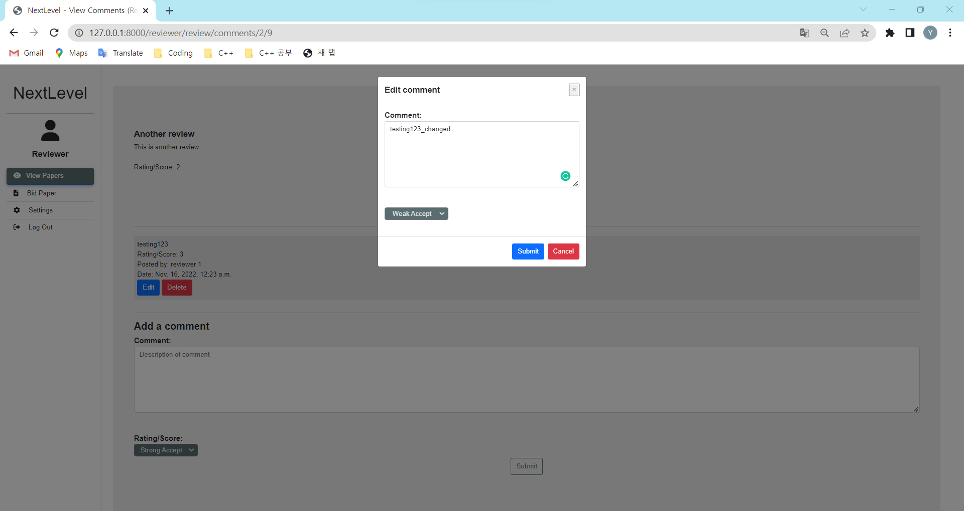
T5.5 - 3 | Reviewer clicks "Submit" button. |  | System will upload the details and display comment page. The user should be able to view the review details, other comments, with updated comment. | System uploads the details and display comment page. | Pass | 